CV
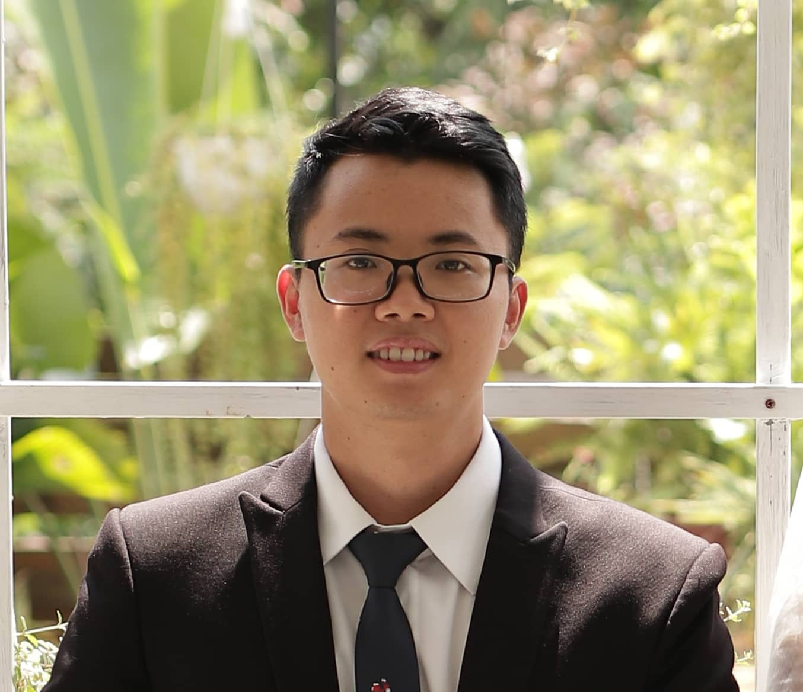
 | CURRICULUM VITAE
PERSONAL DETAIL
Name | Pham Viet Hieu
Nationality | Vietnamese
DOB | 1993
Sex | Male
Seniority | 5 years

ABOUT
- 8 years of experience in the computer software. - 6 years of experience in the Cloud Computing. - 4 years work as AWS Solution Architect and Cloud Presale. - 2 years work as AWS DevOps Engineer. - 1 year as a Cloud Group Leader. - Expert in designing and implementing cloud-based solutions for clients. - Deep understanding of AWS services, and can recommend and implement the best tools for a given project or business requirement. - Understand the needs of potential customers and creating compelling proposals that meet their business requirements. - Have set of skills that bridge the gap between development and operations teams. I'm experienced in creating automated pipelines to streamline the deployment of applications and services.

EDUCATIONAL BACKGROUND
2011-2016 |  | Hanoi University of Science and Technology - Electronics and Telecommunications

CERTIFICATION
12/2022 - 12/2025 |  | AWS Certified DevOps Engineer - Professional
07/2020 - 07/2023 |  | AWS Certified Data Analytics - Specialty
09/2019 - 09/2022 |  | AWS Certified Solution Architect Professional

LANGUAGE
Vietnamese |  | Native
Japanese |  | Beginner
English |  | ~700 Toeic

TECHNICAL SKILL
 |  | Skill | Level
 |  |  | High | Medium | Low
Program language |  | Python | TRUE | FALSE | FALSE
 |  | Bash Script | TRUE | FALSE | FALSE
Monitoring tool |  | Grafana | TRUE | FALSE | FALSE
 |  | Prometheus | TRUE | FALSE | FALSE
 |  | Graylog | TRUE | FALSE | FALSE
Automation/Orchestration tool |  | AWS CloudFormation | TRUE | FALSE | FALSE
 |  | Ansible | FALSE | TRUE | FALSE
 |  | Jenkins | TRUE | FALSE | FALSE
 |  | Terraform | FALSE | TRUE | FALSE
Microservice |  | Docker | TRUE | FALSE | FALSE
 |  | ECS | TRUE | FALSE | FALSE
 |  | ECR | TRUE | FALSE | FALSE
 |  | Kurbernetes | FALSE | TRUE | FALSE
OS |  | Windows | FALSE | TRUE | FALSE
 |  | Linux | TRUE | FALSE | FALSE
Database |  | MySQL | FALSE | TRUE | FALSE
 |  | MongoDB | FALSE | FALSE | TRUE
 |  | Oracle | FALSE | FALSE | TRUE
 |  | DMS | TRUE | FALSE | FALSE
 |  | Athena | TRUE | FALSE | FALSE
 |  | Redshift | FALSE | FALSE | TRUE
Public Cloud |  | AWS | TRUE | FALSE | FALSE
 |  | Azure | FALSE | TRUE | FALSE
 |  | GCP | FALSE | FALSE | TRUE

EXPERIENCE
Cloud Group Leader (2023 - now)
Customer |  | Internal
Description |  | Manage Cloud Group with 4 team: - Cloud Architect - DevOps - Data Analytic - Cloud Security
Team Size |  | 20
My Position |  | AWS Consultant
My Responsibilites |  | - Managing the resource of the group. - Ensuring product quality. - Create proposal - Conduct internal and external seminar
Technologies Used |  | Cloud, DevOps

Radius system AWS Migration(2023 - now)
Customer |  | Japanese customer
Description |  | - Cloud migration due to server EOL. - Implementing API - Automation for Service order operation: cost reducing, shorten the lead time. - Simplifying and accelerating method of searching authentication logs. - Redundancy between east and west.
Team Size |  | 16
My Position |  | PM, Technical Leader
My Responsibilites |  | - Manage offshore team - Propose solution to onsite team - Communicate with customer
Technologies Used |  | AWS, Terraform, Ansible

Ast AWS Techinical Support (2022 - now)
Customer |  | Japanese customer
Description |  | Provide 24/7 service that gives customers help on technical issues and additional guidance to operate their infrastructures in the AWS cloud.
Team Size |  | 5
My Position |  | AWS Consultant
My Responsibilites |  | - Respond to customer - Review the answer of the inquiry
Technologies Used |  | AWS

HVN AWS Support (2021 - 2022)
Customer |  | Global Customer (Vietnam, Japan, Thailand, India)
Description |  | Join & manage projects related to moving/migrate/construct new systems to AWS
Team Size |  | 1
My Position |  | AWS Consultant, AWS Solution Architect
My Responsibilites |  | - Maintain & monitor HVN's AWS systems - Manage & lead communication between 3 parties (Headquarters, HVN and Vendors who developed HVN's systems) - Research, study continuously to apply technology, configuration, upgrade AWS services version to improve HVN's systems
Technologies Used |  | AWS

F88 Landing Zone Consultant (2021)
Customer |  | Vietnamese customer
Description |  | Consulting for customer in the implementation Landing Zone
Team Size |  | 3
My Position |  | AWS Solution Architect
My Responsibilites |  | - Make assessment customer infrastructure - Design Landing Zone Architecture. - Create POC Landing Zone
Technologies Used |  | AWS, Microservices

Silentlog Platform (2020-2021)
Customer |  | Japanese customer
Description |  | The project is about tracking user activity and analyze tracking data
Team Size |  | 6
My Position |  | AWS Solution Architect and DevOps
My Responsibilites |  | - Design Infrastructure : EC2, ECS, Redis Cache, MySQL Aurora, RDS Postgre, Lambda, Athena, S3. EMR - Apply CICD Process : Jenkins, Ansible, Terraform - Managed Service : monitoring 24/7 with Grafana, Prometheus, Graylog
Technologies Used |  | - AWS, Microservices, PHP, Ruby, Postgres, Python

CenGroup Well-Architected Review (2020)
Customer |  | Vietnamese customer
Description |  | Review current customer infrastructure and consulting
Team Size |  | 2
My Position |  | AWS Consultant, AWS Solution Architect
My Responsibilites |  | - Make a Well-Architected review with 5 Pillar AWS - Consulting about best pratice for reduce cost, optimize resource usage, …
Technologies Used |  | - AWS

Camly Platform (2019-2020)
Customer |  | Camly Platform
Description |  | Investing Global Platfrom
Team Size |  | 3
My Position |  | AWS Engineer
My Responsibilites |  | - Design Infrastructure : Elastic Beanstalk, Redis Cache, MySQL Aurora, Cloudfront - Apply CICD Process : Code Build, Code Pipeline
Technologies Used |  | - AWS, PHP, ReactJS, MySQL

Vitop Platform (2019-2020)
Customer |  | Vietnamese customer
Description |  | The project is dedicated to job posting and headhunt.
Team Size |  | 5
My Position |  | AWS Engineer
My Responsibilites |  | - Design AWS Infrastructure : ECS, RDS MySQL, Redis Cache, Elastic Search - Apply CICD Process : Code Commit, Code Build, Code Pipeline - Monitoring, centralize logging : EFK Stack on Docker
Technologies Used |  | - AWS, Microservice, PHP, ReactJS, MySQL

System Restructure and Enhancement (2018-2019)
Customer |  | Japanese customer
Description |  | Re-design Cloud_POS System on AWS and Migrate data from Oracle to My SQL
Team Size |  | 30
My Position |  | AWS Engineer and Developer
My Responsibilites |  | - Create AWS Infrastructure : ECS, Aurora MySQL, Lambda, API Gateway - Migrate 3TB Oracle Database to Aurora MySQL with DMS - Define go-live solution - Build with Infrastructure reporting, Service Reporting - Develop VB.NET function
Technologies Used |  | AWS, VB.NET, Java, Oracle, MySQL

I declare that the above information is accurate.

